ANN
wj,kih |  |  |  |  |  | B2k | wk,lho | B1s |  |  |  | Document No. |  |  |  | Sheet No.
-0.28871614758 | 0.017006757357 | 0.68363919074 | 0.097654641115 | -0.9607942347 | -1.7873594435 | -1.8967449301 | 0.32110129147 | 0.48383663329 |  |  |  |  |  |  |  | DATE:
-0.74130077014 | 0.0072618750107 | 0.27702251664 | -0.010417001177 | 0.041493684595 | -0.16235971213 | 1.0074657035 | 0.95238630025 |  |  |  |  |  |  |  |  | Prepared By: Dr Rabee Shamass
-0.44231745893 | 0.0019127764757 | -0.17480397461 | -0.20497093247 | -0.078329573304 | -0.11379637169 | 0.75193117826 | -2.4623849766 |  | Subject: Cross-Section Resistance of Stainless Steel sub-column using ANN
1.1786252047 | -0.02314540844 | 0.58718027604 | 0.85102813614 | -1.7036481377 | 0.6359115309 | 0.76244655519 | -0.078890315214 |  | REF | Calculations
0.41181094578 | -0.013428079213 | -0.35130480409 | -0.93631896195 | -1.34859025 | 0.025141036086 | 1.1044867827 | -0.96595667074 |  | ANN Based formula
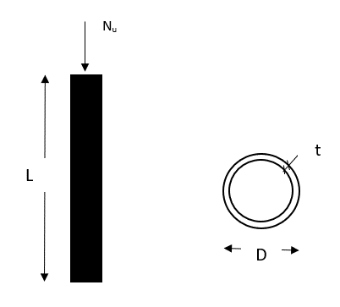
-0.25318400428 | -0.01429142666 | 0.03710802453 | 0.79725521049 | 0.71220612878 | -0.19744151411 | -0.92528900168 | -1.0378177601
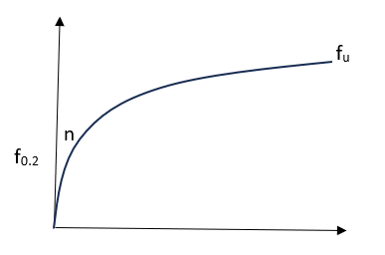
0.38368508729 | -0.041574371287 | -0.53986972813 | -0.36538982877 | -0.89731686216 | -0.29222698825 | 0.38732554358 | 0.38958940136
-0.88229956892 | -1.2608180127 | -0.063593000831 | 1.5484293168 | 0.20514930252 | -0.75557855444 | -1.9435906347 | 0.013096621879

Note: The ANN based formula is valide for the input variable within the range in the table below:

 | Lower limit | 60 | 2 | 180 | 290 | 515 | 4.9 | 112.07
 | Upper limit | 300 | 8 | 1500 | 519 | 799 | 7.8 | 4430.7

 |  |  |  |  |  |  |  |  |  | Input Data (Enter Data in Blue Cells only)

 |  |  |  |  |  |  |  |  |  | Diameter (mm) | 90 |  |  |  |  | Yield Stress of Stainless steel (Mpa) |  |  | 519
 |  |  |  |  |  |  |  |  |  | Length (mm) | 1500 |  |  |  |  | Ultimate Stress of Stainless Steel (Mpa) |  |  | 728
 |  |  |  |  |  |  |  |  |  | Thickness (mm) | 7 |  |  |  |  | Ramberg-Osgood hardening parameter n |  |  | 5.3

 |  |  |  |  |  |  |  |  |  | Basic calculations
 |  |  |  |  |  |  |  |  |  | Normalised Inputs Variables |  |  | Ij

 |  |  |  |  |  |  |  |  |  |  |  |  |  |  |  | Normalised f0.2 |  | 1
 |  |  |  |  |  |  |  |  |  | Normalised D | -0.75 |  |  |  |  | Normalised fu |  | 0.5
 |  |  |  |  |  |  |  |  |  | Normalised L | 1 |  |  |  |  | Normalised n |  | -0.72413793103
 |  |  |  |  |  |  |  |  |  | Normalised t | 0.66666666667

 |  |  |  |  |  |  |  |  |  | Exponent constant for the Activation Function

 |  |  |  |  |  |  |  |  |  | H1 | -0.29588930837 |  |  |  |  | H5 | -1.0808223734
 |  |  |  |  |  |  |  |  |  | H2 | 1.8832855011 |  |  |  |  | H6 | 0.5713794223
 |  |  |  |  |  |  |  |  |  | H3 | 0.80731461589 |  |  |  |  | H7 | -0.90436140845
 |  |  |  |  |  |  |  |  |  | H4 | -0.21449783238 |  |  |  |  | H8 | -0.38693224538

 |  |  |  |  |  |  |  |  |  | Activation Functions

 |  |  |  |  |  |  |  |  |  | Activation Function 1 |  | -0.09233148111 |  |  |  | Activation Function 5 |  | 0.76649034991
 |  |  |  |  |  |  |  |  |  | Activation Function 2 |  | 0.90932265532 |  |  |  | Activation Function 6 |  | -0.53589962982
 |  |  |  |  |  |  |  |  |  | Activation Function 3 |  | -1.6451346833 |  |  |  | Activation Function 7 |  | -0.27988682637
 |  |  |  |  |  |  |  |  |  | Activation Function 4 |  | 0.016666970236 |  |  |  | Activation Function 8 |  | -0.0048288886448

 |  |  |  |  |  |  |  |  |  | Buckling Resistance using ANN

 |  |  |  |  |  |  |  |  |  | Normalised output value |  | -0.3818

 |  |  |  |  |  |  |  |  |  | Buckling Resistance of Stainless Steel sub-column |  |  |  | 1447.1550503 | kN

